Sheet1
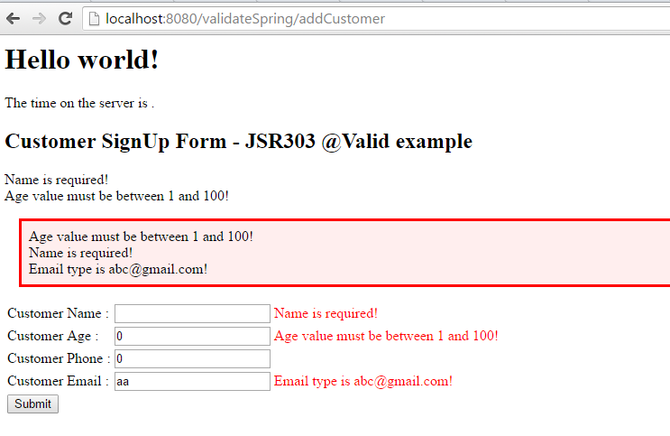
Validate in Spring With Resource Bundle
 | Link tham khảo : http://www.mkyong.com/spring-mvc/spring-3-mvc-and-jsr303-valid-example/

1. Cấu trúc project |  |  |  |  |  |  | 2. Add dependency
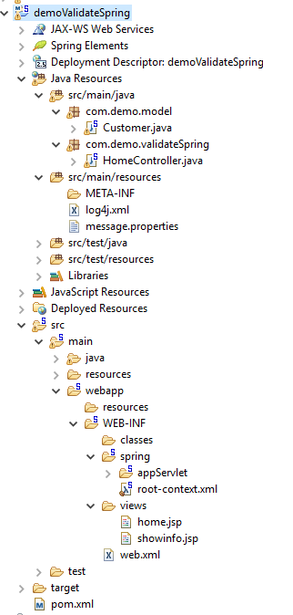
 |  |  |  |  |  |  | <!-- Validate -->
 |  |  |  |  |  |  | <dependency>
 |  |  |  |  |  |  |  | <groupId>javax.validation</groupId>
 |  |  |  |  |  |  |  | <artifactId>validation-api</artifactId>
 |  |  |  |  |  |  |  | <version>1.1.0.Final</version>
 |  |  |  |  |  |  | </dependency>

 |  |  |  |  |  |  | <!-- validator -->
 |  |  |  |  |  |  | <dependency>
 |  |  |  |  |  |  |  | <groupId>org.hibernate</groupId>
 |  |  |  |  |  |  |  | <artifactId>hibernate-validator</artifactId>
 |  |  |  |  |  |  |  | <version>5.1.3.Final</version>
 |  |  |  |  |  |  | </dependency>

3. File Model Customer |  |  |  |  |  |  |  |  | 4. Controller + Valid

 | @NotEmpty // make sure name is not empty |  |  |  |  |  |  |  | @RequestMapping(value = "/addCustomer", method = RequestMethod.POST)
 | private String name; |  |  |  |  |  |  |  | public String addCustomer(@Valid Customer customer, BindingResult result, Model model) {
 |  |  |  |  |  |  |  |  |  | if (result.hasErrors()) {
 | @Range(min = 1, max = 100) // age need between 1 and 150 |  |  |  |  |  |  |  |  |  | return "home";
 | private int age; |  |  |  |  |  |  |  |  | }
 |  |  |  |  |  |  |  |  |  | model.addAttribute("name", customer.getName());
 | @NotNull |  |  |  |  |  |  |  |  | model.addAttribute("age", customer.getAge());
 | private int phone; |  |  |  |  |  |  |  |  | model.addAttribute("phone", customer.getPhone());
 |  |  |  |  |  |  |  |  |  | model.addAttribute("email", customer.getEmail());
 | @Email
 | private String email; |  |  |  |  |  |  |  |  | return "showinfo";
 |  |  |  |  |  |  |  |  | }

 |  |  |  |  |  |  |  |  | @RequestMapping(value = "/", method = RequestMethod.GET)
 |  |  |  |  |  |  |  |  | public ModelAndView displayCustomerForm1(Model model) {
 |  |  |  |  |  |  |  |  |  | return new ModelAndView("home","customer", new Customer());
 |  |  |  |  |  |  |  |  | }

5. File Message.properties |  |  |  |  |  |  |  |  | 6. File servlet-context.xml

 | NotEmpty.customer.name = Name is required! |  |  |  |  |  |  |  | <beans:bean id="messageSource"
 | Range.customer.age = Age value must be between 1 and 100! |  |  |  |  |  |  |  |  | class="org.springframework.context.support.ResourceBundleMessageSource">
 | NotNull.customer.phone = Phone is required! |  |  |  |  |  |  |  |  | <beans:property name="basename" value="message" />
 | #Size.customer.phone = Phone lenght must be between 9 and 11 |  |  |  |  |  |  |  | </beans:bean>
 | Email.customer.email = Email type is abc@gmail.com!

7. file jsp

 |  | <style>
 |  | .error {
 |  |  | color: #ff0000;
 |  | }

 |  | .errorblock {
 |  |  | color: #000;
 |  |  | background-color: #ffEEEE;
 |  |  | border: 3px solid #ff0000;
 |  |  | padding: 8px;
 |  |  | margin: 16px;
 |  | }
 |  | </style>

 |  | <form:form method="POST" commandName="customer" action="addCustomer">
 |  |  |  | <form:errors path="*" class="errorblock" element="div" />
 |  |  |  | <table>
 |  |  |  |  | <tr>
 |  |  |  |  |  | <td>Customer Name :</td>
 |  |  |  |  |  | <td><form:input path="name" /></td>
 |  |  |  |  |  | <td><form:errors path="name" class="error" /></td>
 |  |  |  |  | </tr>
 |  |  |  |  | <tr>
 |  |  |  |  |  | <td>Customer Age :</td>
 |  |  |  |  |  | <td><form:input path="age" /></td>
 |  |  |  |  |  | <td><form:errors path="age" class="error" /></td>
 |  |  |  |  | </tr>
 |  |  |  |  | <tr>
 |  |  |  |  |  | <td>Customer Phone :</td>
 |  |  |  |  |  | <td><form:input path="phone" /></td>
 |  |  |  |  |  | <td><form:errors path="phone" class="error" /></td>
 |  |  |  |  | </tr>
 |  |  |  |  | <tr>
 |  |  |  |  |  | <td>Customer Email :</td>
 |  |  |  |  |  | <td><form:input path="email" /></td>
 |  |  |  |  |  | <td><form:errors path="email" class="error" /></td>
 |  |  |  |  | </tr>
 |  |  |  |  | <tr>
 |  |  |  |  |  | <td colspan="3"><input type="submit" /></td>
 |  |  |  |  | </tr>
 |  |  |  | </table>
 |  |  | </form:form>

8. Output

